AMS_WebServers_ProcessorUtilizn
SEM03VVM-004 (WebServer1) - Processors Utilization

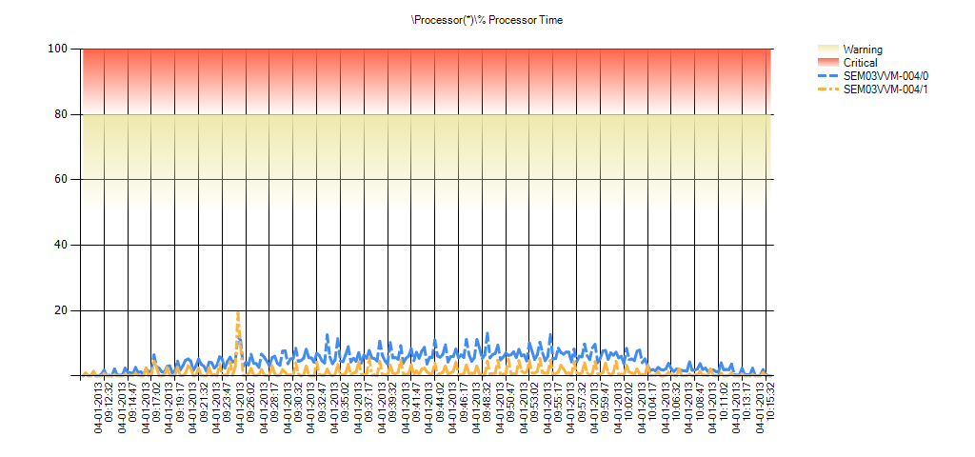

 | Condition | \Processor(*)\% Processor Time | Min | Avg | Max | Hourly Trend | Std Deviation | 10% of Outliers Removed | 20% of Outliers Removed | 30% of Outliers Removed
 | OK | SEM03VVM-004/_Total | 0 | 3 | 16 | 0 | 2 | 2 | 2 | 2
 | OK | SEM03VVM-004/1 | 0 | 1 | 19 | 0 | 2 | 1 | 0 | 0
 | OK | SEM03VVM-004/0 | 0 | 5 | 13 | 0 | 3 | 4 | 4 | 3

SEM03VVM-005 (WebServer2) - Processors Utilization

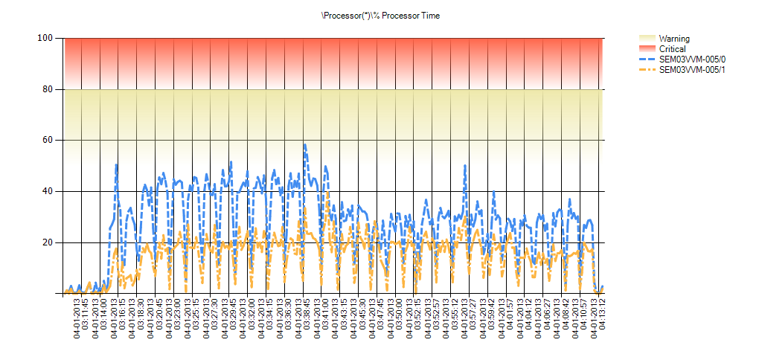

 | Condition | \Processor(*)\% Processor Time | Min | Avg | Max | Hourly Trend | Std Deviation | 10% of Outliers Removed | 20% of Outliers Removed | 30% of Outliers Removed
 | OK | SEM03VVM-005/_Total | 0 | 21 | 46 | 18 | 10 | 19 | 18 | 16
 | OK | SEM03VVM-005/1 | 0 | 15 | 40 | 14 | 8 | 13 | 12 | 11
 | More than 50% Processor Utilization | SEM03VVM-005/0 | 0 | 28 | 58 | 23 | 14 | 25 | 23 | 21

SEM03VVM-006 (WebServer3) - Processors Utilization

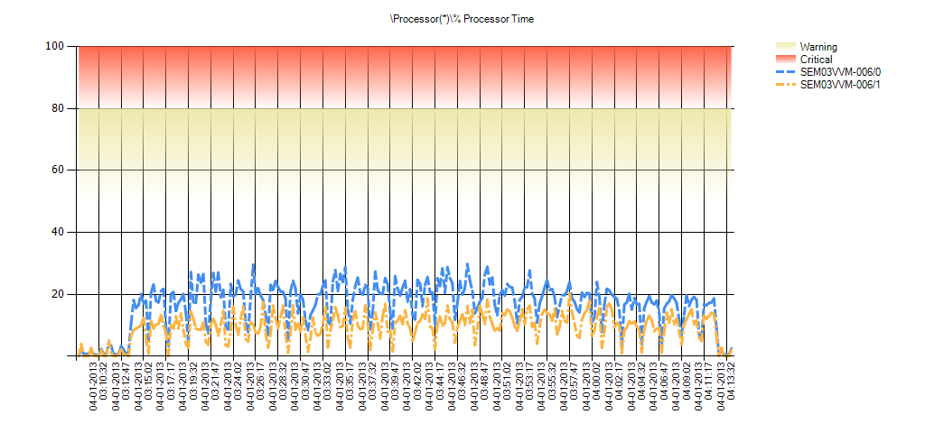

 | Condition | \Processor(*)\% Processor Time | Min | Avg | Max | Hourly Trend | Std Deviation | 10% of Outliers Removed | 20% of Outliers Removed | 30% of Outliers Removed
 | OK | SEM03VVM-006/_Total | 0 | 13 | 24 | 3 | 6 | 12 | 11 | 11
 | OK | SEM03VVM-006/1 | 0 | 9 | 20 | 2 | 5 | 8 | 8 | 7
 | OK | SEM03VVM-006/0 | 0 | 17 | 30 | 3 | 7 | 16 | 15 | 14

SEM03VVM-007 (WebServer4) - Processors Utilization

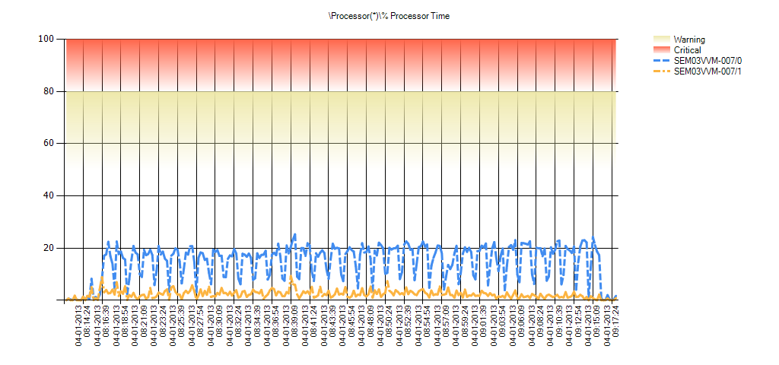

 | Condition | \Processor(*)\% Processor Time | Min | Avg | Max | Hourly Trend | Std Deviation | 10% of Outliers Removed | 20% of Outliers Removed | 30% of Outliers Removed
 | OK | SEM03VVM-007/_Total | 0 | 8 | 16 | 0 | 4 | 8 | 8 | 7
 | OK | SEM03VVM-007/1 | 0 | 2 | 9 | 0 | 2 | 2 | 2 | 2
 | OK | SEM03VVM-007/0 | 0 | 15 | 25 | 1 | 7 | 14 | 13 | 12

SEM03VVM-008 (WebServer5) - Processors Utilization

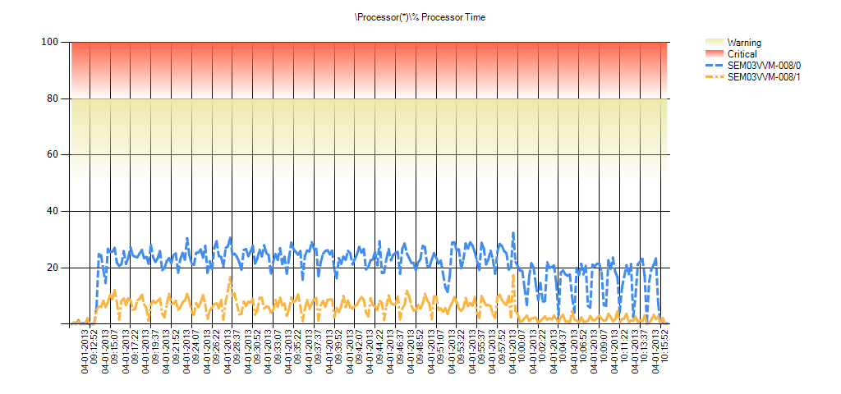

 | Condition | \Processor(*)\% Processor Time | Min | Avg | Max | Hourly Trend | Std Deviation | 10% of Outliers Removed | 20% of Outliers Removed | 30% of Outliers Removed
 | OK | SEM03VVM-008/_Total | 0 | 13 | 25 | 8 | 5 | 12 | 12 | 11
 | OK | SEM03VVM-008/1 | 0 | 5 | 17 | 1 | 3 | 5 | 4 | 4
 | OK | SEM03VVM-008/0 | 0 | 21 | 32 | 15 | 7 | 20 | 19 | 18

SEM03VVM-009 (WebServer6) - Processors Utilization

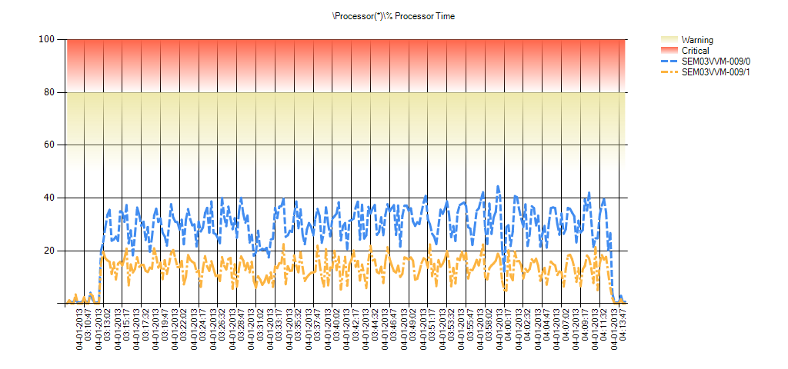

 | Condition | \Processor(*)\% Processor Time | Min | Avg | Max | Hourly Trend | Std Deviation | 10% of Outliers Removed | 20% of Outliers Removed | 30% of Outliers Removed
 | OK | SEM03VVM-009/_Total | 0 | 20 | 32 | 19 | 7 | 19 | 18 | 17
 | OK | SEM03VVM-009/1 | 0 | 13 | 22 | 12 | 5 | 12 | 11 | 10
 | OK | SEM03VVM-009/0 | 0 | 28 | 44 | 27 | 10 | 27 | 26 | 24

SEM03VVM-010 (WebServer7) - Processors Utilization

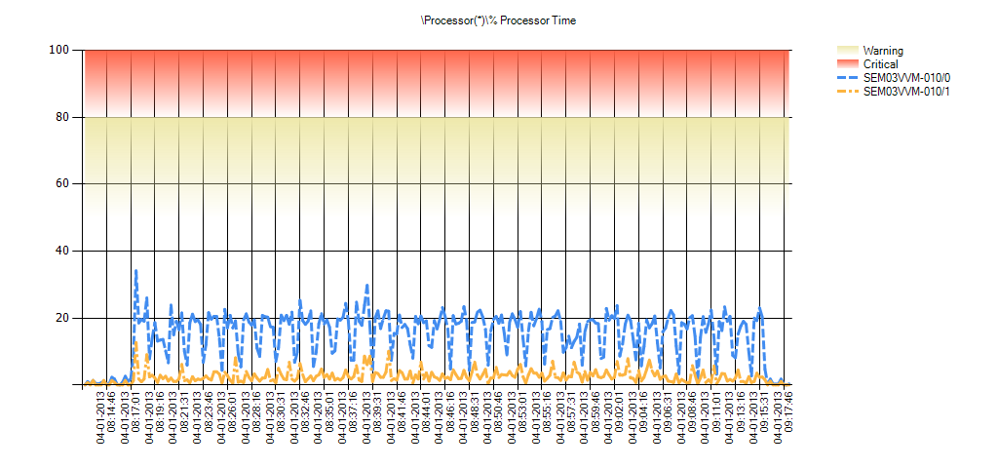

 | Condition | \Processor(*)\% Processor Time | Min | Avg | Max | Hourly Trend | Std Deviation | 10% of Outliers Removed | 20% of Outliers Removed | 30% of Outliers Removed
 | OK | SEM03VVM-010/_Total | 0 | 9 | 23 | -1 | 4 | 8 | 8 | 7
 | OK | SEM03VVM-010/1 | 0 | 3 | 13 | 0 | 2 | 2 | 2 | 2
 | OK | SEM03VVM-010/0 | 0 | 15 | 34 | 0 | 7 | 14 | 13 | 12

SEM03VVM-011 (WebServer8) - Processors Utilization

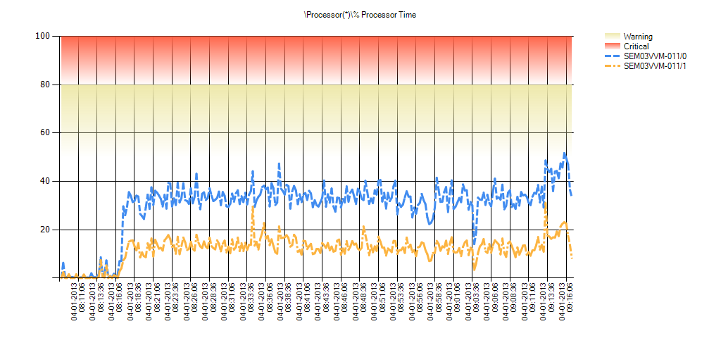

 | Condition | \Processor(*)\% Processor Time | Min | Avg | Max | Hourly Trend | Std Deviation | 10% of Outliers Removed | 20% of Outliers Removed | 30% of Outliers Removed
 | OK | SEM03VVM-011/_Total | 0 | 21 | 40 | 27 | 8 | 20 | 19 | 18
 | OK | SEM03VVM-011/1 | 0 | 12 | 31 | 16 | 5 | 11 | 10 | 10
 | More than 50% Processor Utilization | SEM03VVM-011/0 | 0 | 30 | 52 | 39 | 11 | 28 | 27 | 26

SEM03VVM-012 (WebServer9) - Processors Utilization



 | Condition | \Processor(*)\% Processor Time | Min | Avg | Max | Hourly Trend | Std Deviation | 10% of Outliers Removed | 20% of Outliers Removed | 30% of Outliers Removed
 | OK | SEM03VVM-012/_Total | 0 | 3 | 13 | 1 | 2 | 2 | 2 | 2
 | OK | SEM03VVM-012/1 | 0 | 1 | 21 | -1 | 2 | 1 | 0 | 0
 | OK | SEM03VVM-012/0 | 0 | 4 | 13 | 1 | 3 | 4 | 3 | 3

SEM03VVM-013 (WebServer10) - Processors Utilization

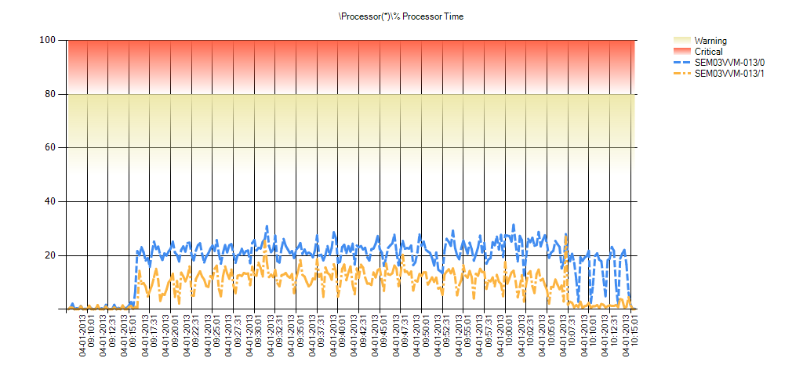

 | Condition | \Processor(*)\% Processor Time | Min | Avg | Max | Hourly Trend | Std Deviation | 10% of Outliers Removed | 20% of Outliers Removed | 30% of Outliers Removed
 | OK | SEM03VVM-013/_Total | 0 | 14 | 28 | 8 | 6 | 13 | 12 | 11
 | OK | SEM03VVM-013/1 | 0 | 9 | 27 | 1 | 6 | 8 | 7 | 6
 | OK | SEM03VVM-013/0 | 0 | 19 | 31 | 12 | 8 | 18 | 17 | 16

SEM03VVM-014 (WebServer11) - Processors Utilization

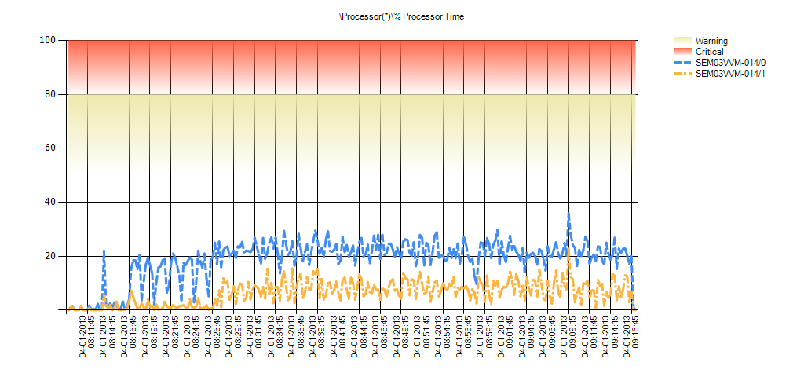

 | Condition | \Processor(*)\% Processor Time | Min | Avg | Max | Hourly Trend | Std Deviation | 10% of Outliers Removed | 20% of Outliers Removed | 30% of Outliers Removed
 | OK | SEM03VVM-014/_Total | 0 | 12 | 29 | 13 | 6 | 12 | 11 | 10
 | OK | SEM03VVM-014/1 | 0 | 6 | 23 | 7 | 4 | 6 | 5 | 4
 | OK | SEM03VVM-014/0 | 0 | 19 | 36 | 20 | 8 | 18 | 17 | 16

SEM03VVM-015 (WebServer12) - Processors Utilization

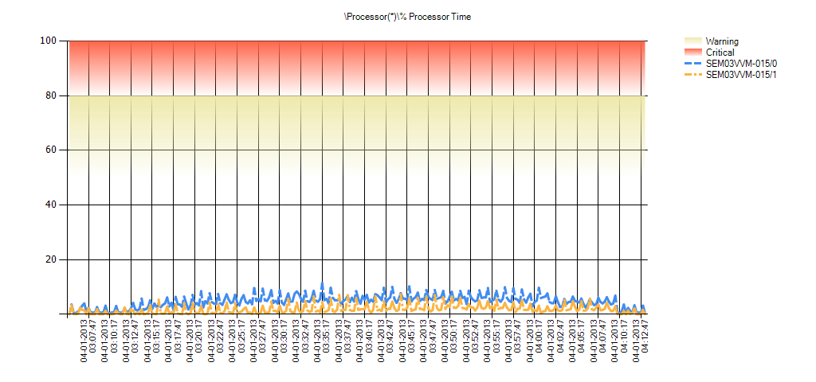

 | Condition | \Processor(*)\% Processor Time | Min | Avg | Max | Hourly Trend | Std Deviation | 10% of Outliers Removed | 20% of Outliers Removed | 30% of Outliers Removed
 | OK | SEM03VVM-015/_Total | 0 | 3 | 8 | 1 | 2 | 3 | 3 | 2
 | OK | SEM03VVM-015/1 | 0 | 2 | 7 | 0 | 2 | 1 | 1 | 1
 | OK | SEM03VVM-015/0 | 0 | 5 | 11 | 1 | 2 | 4 | 4 | 4

SEM03VVM-016 (WebServer13) - Processors Utilization

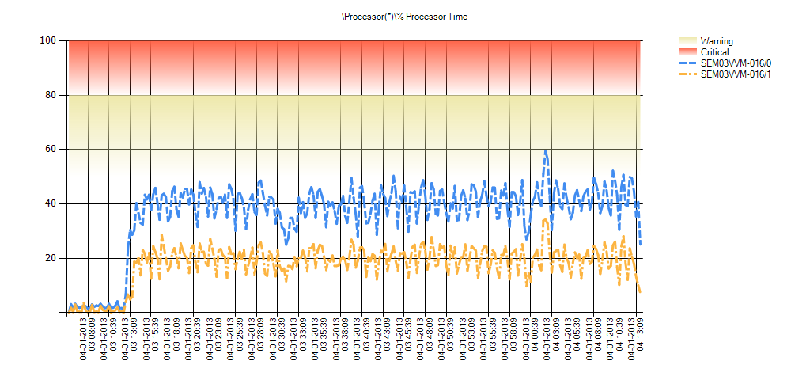

 | Condition | \Processor(*)\% Processor Time | Min | Avg | Max | Hourly Trend | Std Deviation | 10% of Outliers Removed | 20% of Outliers Removed | 30% of Outliers Removed
 | OK | SEM03VVM-016/_Total | 1 | 27 | 47 | 28 | 10 | 26 | 25 | 24
 | OK | SEM03VVM-016/1 | 0 | 18 | 34 | 19 | 7 | 17 | 16 | 15
 | More than 50% Processor Utilization | SEM03VVM-016/0 | 1 | 37 | 59 | 39 | 13 | 35 | 34 | 32

SEM03VVM-017 (WebServer14) - Processors Utilization

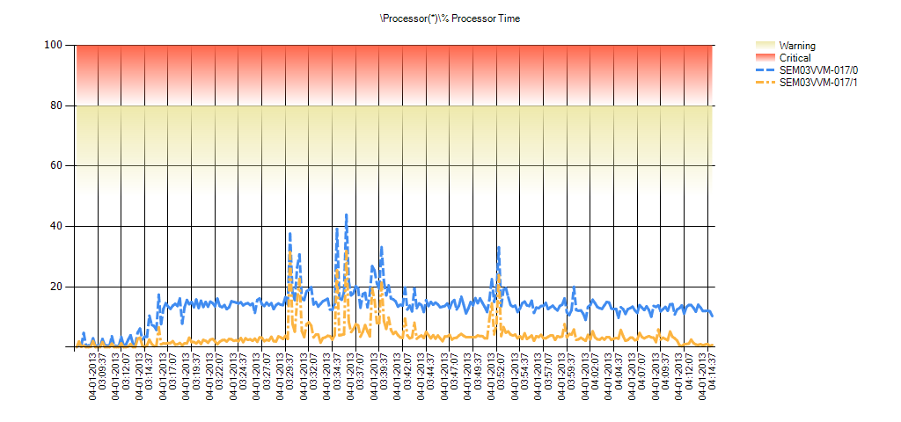

 | Condition | \Processor(*)\% Processor Time | Min | Avg | Max | Hourly Trend | Std Deviation | 10% of Outliers Removed | 20% of Outliers Removed | 30% of Outliers Removed
 | OK | SEM03VVM-017/_Total | 0 | 9 | 38 | 6 | 5 | 7 | 7 | 7
 | OK | SEM03VVM-017/1 | 0 | 4 | 32 | 1 | 4 | 3 | 2 | 2
 | OK | SEM03VVM-017/0 | 0 | 13 | 44 | 11 | 6 | 12 | 12 | 11

SEM03VVM-018 (WebServer15) - Processors Utilization

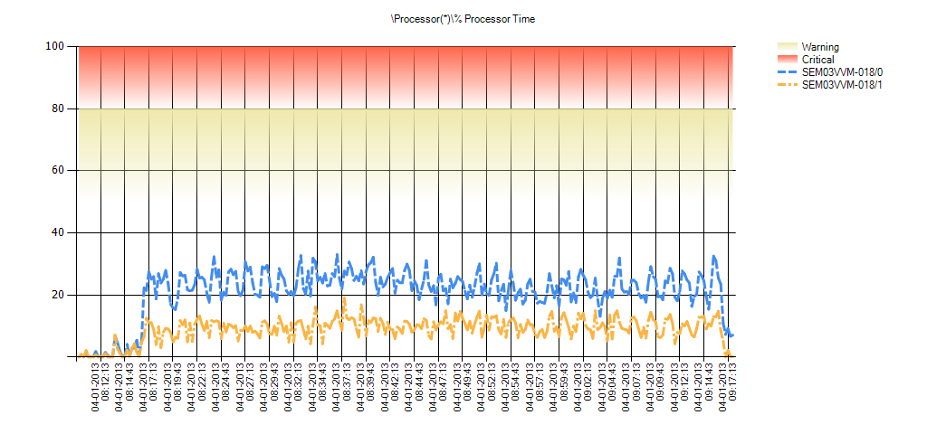

 | Condition | \Processor(*)\% Processor Time | Min | Avg | Max | Hourly Trend | Std Deviation | 10% of Outliers Removed | 20% of Outliers Removed | 30% of Outliers Removed
 | OK | SEM03VVM-018/_Total | 0 | 15 | 24 | 16 | 6 | 14 | 14 | 13
 | OK | SEM03VVM-018/1 | 0 | 9 | 19 | 10 | 4 | 8 | 8 | 7
 | OK | SEM03VVM-018/0 | 0 | 21 | 33 | 22 | 8 | 20 | 19 | 18

SEM03VVM-019 (WebServer16) - Processors Utilization

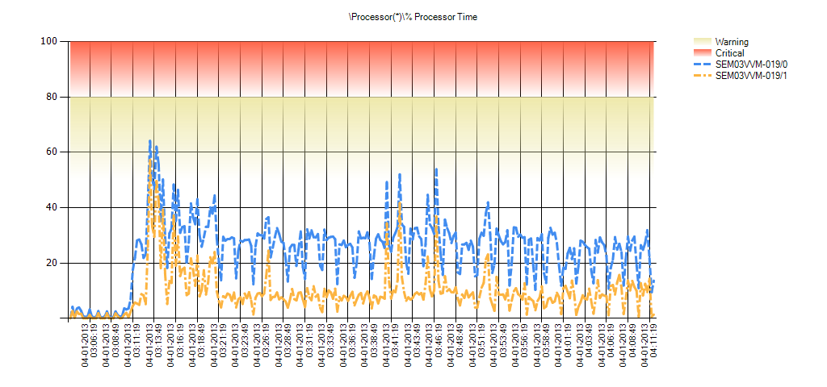

 | Condition | \Processor(*)\% Processor Time | Min | Avg | Max | Hourly Trend | Std Deviation | 10% of Outliers Removed | 20% of Outliers Removed | 30% of Outliers Removed
 | More than 50% Processor Utilization | SEM03VVM-019/_Total | 0 | 17 | 61 | 14 | 9 | 15 | 14 | 13
 | More than 50% Processor Utilization | SEM03VVM-019/1 | 0 | 9 | 57 | 9 | 8 | 7 | 7 | 6
 | More than 50% Processor Utilization | SEM03VVM-019/0 | 0 | 25 | 64 | 21 | 11 | 23 | 22 | 20

AMS_AppServer_ProcessorUtilizn
SEM03VVM-002 (Application Server) - Processors Utilization

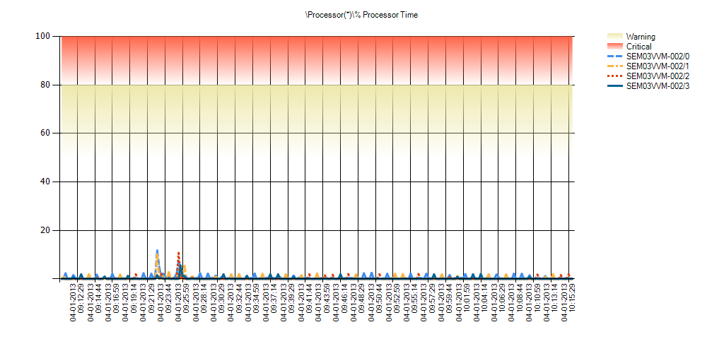

 | Condition | \Processor(*)\% Processor Time | Min | Avg | Max | Hourly Trend | Std Deviation | 10% of Outliers Removed | 20% of Outliers Removed | 30% of Outliers Removed
 | OK | SEM03VVM-002/_Total | 0 | 0 | 6 | 0 | 1 | 0 | 0 | 0
 | OK | SEM03VVM-002/3 | 0 | 0 | 6 | 0 | 1 | 0 | 0 | 0
 | OK | SEM03VVM-002/2 | 0 | 0 | 11 | 0 | 1 | 0 | 0 | 0
 | OK | SEM03VVM-002/1 | 0 | 0 | 10 | 0 | 1 | 0 | 0 | 0
 | OK | SEM03VVM-002/0 | 0 | 1 | 12 | -1 | 1 | 0 | 0 | 0

AMS_FileServer_ProcessorUtilizn
SEM03VVM-003 (File Server) - Processors Utilization

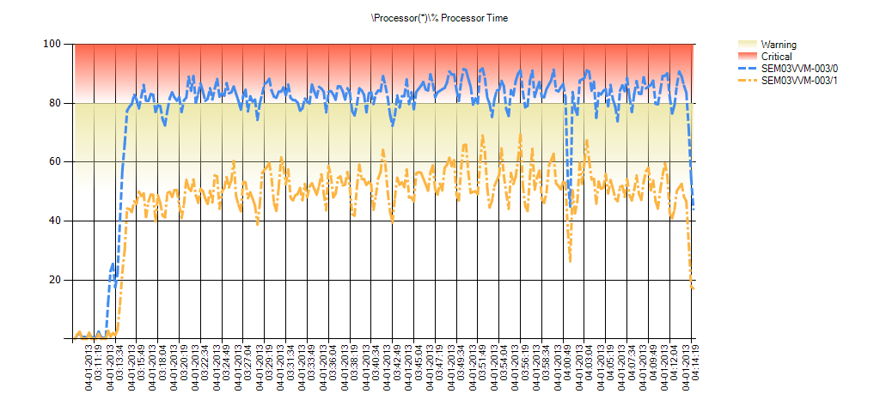

 | Condition | \Processor(*)\% Processor Time | Min | Avg | Max | Hourly Trend | Std Deviation | 10% of Outliers Removed | 20% of Outliers Removed | 30% of Outliers Removed
 | More than 50% Processor Utilization | SEM03VVM-003/_Total | 0 | 62 | 80 | 57 | 17 | 61 | 59 | 58
 | More than 50% Processor Utilization | SEM03VVM-003/1 | 0 | 47 | 69 | 40 | 15 | 46 | 44 | 43
 | More than 80% Processor Utilization | SEM03VVM-003/0 | 0 | 77 | 92 | 75 | 21 | 76 | 74 | 73

